RK3566 Tablet Scenario(Android)
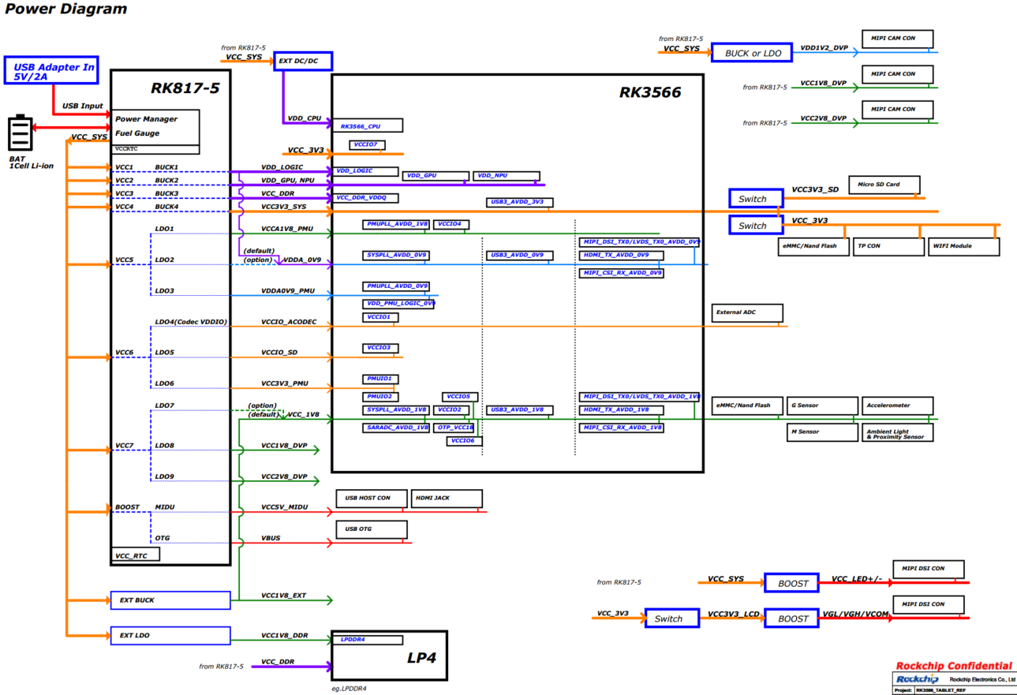
RK3566 Android Tablet Scenario Power Consumption | Mainboard: | RK3566_RK817_TABLET(S863) |  | The Power Consumption Data of RK3566 Tablet Prototype in Different Application Scenarios Note: The following data is the test data on the internal R&D board, which is for design reference only and does not represent the final capability of the chip. Power consumption is strongly related to the actual application scenarios of the product. If you need in-depth optimization, you can discuss further with technical support personnel.
 | Environment: | Room temperature 23 ℃, complete machine, no back cover, no heat sink
 | Configuration: | 4GB LPDDR4+32GB EMMC
 | LCD resolution: | 1920*1200
Scenario | Test Conditions |  | Complete Machine Power Consumption Reference （mW） | SOC Junction Temperature （℃） | VBAT |  | VDD_CPU |  | VDD_GPU_NPU |  | VDD_LOGIC |  | VCC_DDR |  | VCC_3V3 |  | VCCA1V8_PMU |  | VDDA_0V9 |  | VCCA0V9_PMU |  | VCCIO_ACODEC |  | VCCIO_SD |  | VCC3V3_PMU |  | VCC_1V8 |  | VCC1V8_DVP |  | VCC2V8_DVP |  | VCC_WL |  | VCC_MIDU
 |  |  |  |  | Voltage (V) | Average Current (mA) | Voltage (V) | Average Current (mA) | Voltage (V) | Average Current (mA) | Voltage (V) | Average Current (mA) | Voltage (V) | Average Current (mA) | Voltage (V) | Average Current (mA) | Voltage (V) | Average Current (mA) | Voltage (V) | Average Current (mA) | Voltage (V) | Average Current (mA) | Voltage (V) | Average Current (mA) | Voltage (V) | Average Current (mA) | Voltage (V) | Average Current (mA) | Voltage (V) | Average Current (mA) | Voltage (V) | Average Current (mA) | Voltage (V) | Average Current (mA) | Voltage (V) | Average Current (mA) | Voltage (V) | Average Current (mA)
Scenario 1 | Static Desktop | Landscape-remove screen | 534.54 | 32.5 | 3.80 | 140.67 | 0.84 | 20.30 | 0.83 | 7.80 | 0.91 | 231.30 | 1.11 | 52.50 | 3.29 | 1.10 | 1.80 | 11.10 | 0.90 | 30.90 | 0.90 | 5.90 | 3.27 | 0.50 | 3.28 | 0.50 | 3.30 | 0.30 | 1.81 | 16.30 | 1.80 | 0.40 | 2.78 | 0.10 | 3.77 | 0.10 | 3.77 | 0.20
Scenario 2 |  | Portrait-remove screen | 528.43 | 31.9 | 3.80 | 139.06 | 0.83 | 17.10 | 0.83 | 7.50 | 0.91 | 230.00 | 1.11 | 52.70 | 3.29 | 1.10 | 1.80 | 11.00 | 0.90 | 30.90 | 0.90 | 5.90 | 3.27 | 0.50 | 3.28 | 0.50 | 3.30 | 0.30 | 1.81 | 16.20 | 1.80 | 0.40 | 2.78 | 0.10 | 3.78 | 0.10 | 3.78 | 0.20
Scenario 3 | 1080P Video 24fps | Landscape-remove screen | 843.05 | 36.1 | 3.80 | 221.86 | 0.84 | 112.90 | 0.83 | 8.50 | 0.91 | 275.30 | 1.11 | 82.70 | 3.30 | 1.40 | 1.80 | 12.00 | 0.91 | 31.50 | 0.90 | 5.90 | 3.27 | 7.50 | 3.28 | 0.50 | 3.30 | 0.70 | 1.81 | 23.60 | 1.80 | 0.40 | 2.78 | 0.10 | 3.79 | 0.10 | 3.79 | 8.80
Scenario 4 |  | Portrait-remove screen | 844.32 | 36.1 | 3.80 | 222.19 | 0.84 | 112.40 | 0.83 | 8.60 | 0.91 | 277.30 | 1.11 | 83.20 | 3.30 | 1.40 | 1.80 | 11.80 | 0.91 | 31.50 | 0.90 | 5.90 | 3.27 | 7.50 | 3.28 | 0.50 | 3.30 | 0.70 | 1.81 | 23.50 | 1.80 | 0.40 | 2.78 | 0.20 | 3.80 | 0.10 | 3.80 | 8.80
Scenario 5 | 4K Video 30fps | Landscape-remove screen | 1392.02 | 39.4 | 3.80 | 366.32 | 0.84 | 130.20 | 0.83 | 72.70 | 0.91 | 517.00 | 1.11 | 205.40 | 3.30 | 2.20 | 1.80 | 14.40 | 0.91 | 31.50 | 0.90 | 6.00 | 3.27 | 7.50 | 3.28 | 0.50 | 3.30 | 0.70 | 1.81 | 28.00 | 1.80 | 0.40 | 2.78 | 0.10 | 3.76 | 0.10 | 3.76 | 8.80
Scenario 6 |  | Portrait-remove screen | 1252.96 | 39.4 | 3.80 | 329.73 | 0.84 | 116.80 | 0.83 | 21.30 | 0.91 | 495.60 | 1.11 | 179.30 | 3.30 | 2.00 | 1.80 | 13.50 | 0.91 | 30.00 | 0.90 | 6.00 | 3.27 | 7.50 | 3.28 | 0.50 | 3.30 | 0.70 | 1.81 | 25.80 | 1.80 | 0.40 | 2.78 | 0.10 | 3.77 | 0.10 | 3.77 | 8.90
Scenario 7 | 4K Video 60fps | Landscape-remove screen | 1711.49 | 41.3 | 3.80 | 450.39 | 0.88 | 213.20 | 0.83 | 134.10 | 0.91 | 586.70 | 1.11 | 264.30 | 3.30 | 1.90 | 1.80 | 15.60 | 0.91 | 30.50 | 0.90 | 6.00 | 3.27 | 7.50 | 3.28 | 0.50 | 3.30 | 0.70 | 1.81 | 23.90 | 1.80 | 0.40 | 2.78 | 0.10 | 3.78 | 0.10 | 3.78 | 8.80
Scenario 8 |  | Portrait-remove screen | 1394.63 | 41.3 | 3.80 | 367.01 | 0.84 | 149.00 | 0.83 | 10.40 | 0.91 | 549.00 | 1.11 | 223.00 | 3.30 | 1.80 | 1.80 | 14.50 | 0.91 | 30.40 | 0.90 | 6.00 | 3.27 | 7.50 | 3.29 | 0.50 | 3.30 | 0.70 | 1.81 | 23.60 | 1.80 | 0.40 | 2.78 | 0.10 | 3.79 | 0.10 | 3.79 | 8.70
Scenario 9 | Online Video 24fps | Portrait-remove screen | 1053.81 | 40.0 | 3.80 | 277.32 | 0.87 | 173.70 | 0.83 | 10.00 | 0.91 | 387.50 | 1.11 | 112.70 | 3.30 | 1.20 | 1.80 | 16.90 | 0.91 | 25.40 | 0.90 | 6.00 | 3.27 | 7.50 | 3.29 | 0.50 | 3.30 | 0.70 | 1.81 | 20.20 | 1.80 | 0.40 | 2.78 | 0.20 | 3.81 | 57.20 | 3.81 | 8.60
Scenario 10 |  | Landscape-full screen-remove screen | 1260.01 | 42.5 | 3.80 | 331.58 | 0.98 | 298.70 | 0.83 | 50.20 | 0.91 | 358.30 | 1.11 | 129.80 | 3.30 | 1.20 | 1.80 | 17.30 | 0.91 | 28.20 | 0.90 | 6.00 | 3.27 | 7.50 | 3.29 | 0.50 | 3.30 | 0.70 | 1.81 | 18.00 | 1.80 | 0.40 | 2.78 | 0.20 | 3.79 | 61.70 | 3.79 | 8.80
Scenario 11 | Wow Fish 3 | No projectiles-remove screen | 1736.06 | 45.6 | 3.80 | 456.86 | 0.97 | 302.70 | 1.00 | 304.90 | 0.91 | 405.40 | 1.11 | 170.70 | 3.30 | 1.20 | 1.80 | 14.10 | 0.91 | 30.80 | 0.90 | 6.10 | 3.27 | 7.50 | 3.29 | 0.50 | 3.30 | 0.70 | 1.81 | 19.10 | 1.80 | 0.40 | 2.78 | 0.20 | 3.77 | 0.10 | 3.77 | 8.70
Scenario 12 | Riptide GP 2 | Stop going-remove screen | 2359.30 | 55.0 | 3.80 | 620.87 | 1.05 | 472.50 | 1.01 | 588.30 | 0.91 | 393.50 | 1.11 | 180.60 | 3.30 | 1.20 | 1.80 | 14.20 | 0.91 | 31.50 | 0.90 | 6.20 | 3.27 | 7.50 | 3.29 | 0.50 | 3.31 | 0.70 | 1.81 | 17.40 | 1.80 | 0.40 | 2.78 | 0.10 | 3.73 | 0.10 | 3.73 | 8.80
Scenario 13 | Anipop | No move operation-remove screen | 1676.87 | 46.1 | 3.80 | 441.28 | 0.98 | 317.30 | 1.01 | 327.50 | 0.91 | 353.20 | 1.11 | 145.80 | 3.30 | 1.20 | 1.80 | 13.40 | 0.91 | 31.50 | 0.90 | 6.10 | 3.27 | 7.50 | 3.29 | 0.50 | 3.30 | 0.70 | 1.81 | 17.60 | 1.80 | 0.40 | 2.78 | 0.10 | 3.78 | 0.10 | 3.78 | 8.80
Scenario 14 | Primary Standby - Music | Ferry.mp3 | 467.68 | 31.9 | 3.80 | 123.07 | 0.83 | 43.40 | 0.83 | 7.40 | 0.91 | 127.00 | 1.11 | 27.60 | 3.29 | 1.20 | 1.80 | 9.40 | 0.90 | 11.20 | 0.90 | 5.90 | 3.27 | 7.50 | 3.28 | 0.50 | 3.30 | 0.70 | 1.81 | 13.90 | 1.80 | 0.40 | 2.78 | 0.20 | 3.81 | 0.10 | 3.81 | 8.60
Scenario 15 | Primary standby |  | 271.65 | 28.9 | 3.80 | 71.49 | 0.83 | 13.60 | 0.83 | 6.80 | 0.90 | 97.70 | 1.11 | 4.00 | 3.29 | 1.20 | 1.80 | 7.60 | 0.90 | 11.10 | 0.90 | 5.80 | 3.27 | 0.50 | 3.28 | 0.50 | 3.30 | 0.30 | 1.81 | 13.70 | 1.80 | 0.40 | 2.78 | 0.10 | 3.80 | 0.10 | 3.81 | 0.20
Scenario 16 | Secondary Standby |  | 14.22 | NA | 3.80 | 3.74 | 0.00 | 0.10 | 0.00 | 0.00 | 0.00 | 0.00 | 1.11 | 2.10 | 3.30 | 0.10 | 1.80 | 1.20 | 0.00 | 0.00 | 0.90 | 0.70 | 0.00 | 0.00 | 0.00 | 0.00 | 3.00 | 0.20 | 0.00 | 0.00 | 0.00 | 0.00 | 0.00 | 0.00 | 3.84 | 0.00 | 3.84 | 0.00

RK3568 NVR Scenario（Linux）
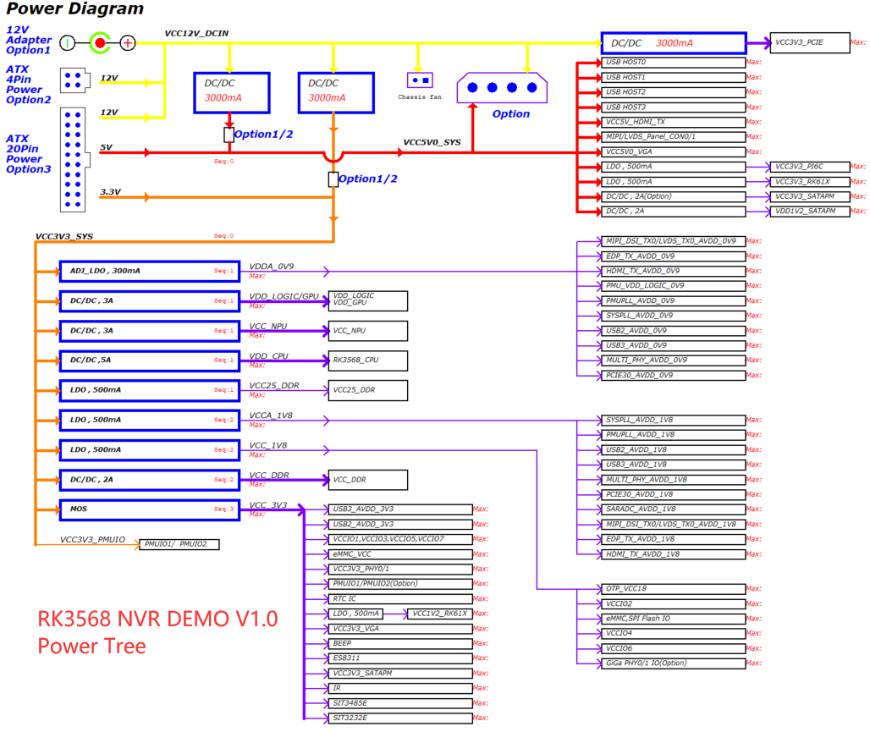
RK3568 NVR scenario power consumption | Mainboard | RK3568 NVR DEMO （Discrete power supply scheme, long-term high load operation） | The Power Consumption Data of RK3568 NVR DEMO Board in Different Application Scenarios Note: the following data are test data on the internal r&d board and are for design reference only and do not represent the final capability of the chip. Power consumption is strongly related to the actual application scenario of the product. For further optimization, discuss with technical support personnel. In the test data, some power supplies are combined with the peripheral power supply, so it is not easy to split.
 | Environment | Room temperature 20℃
 | Heat dissipation | bare board, no heat sink
 | Test method | Record 15 minutes in different scenarios
NVR Scenario | Test Conditions |  | SOC Power Consumption （W） | SOC Junction Temperature （℃） | VDD_CPU |  |  | VDD_LOG/GPU Combined power supply |  |  | VDD_NPU |  |  | VCC_DDR （Estimate the controller power consumption） |  |  | VCC_1V8 |  |  | VCCA_1V8 |  |  | VCCA_0V9
 |  |  |  |  | Voltage (V) | Average Current (mA) | peak current （mA） | Voltage (V) | Average Current (mA) | peak current （mA） | Voltage (V) | Average Current (mA) | peak current （mA） | Voltage (V) | Average Current (mA) | peak current （mA） | Voltage (V) | Average Current (mA) | peak current （mA） | Voltage (V) | Average Current (mA) | peak current （mA） | Voltage (V) | Average Current (mA) | peak current （mA）
Scenario1 | Service scenario description: 4 channels 1080P (8Mbps) + 16 channels 576P (1Mbps) + 2 channels 1080P no output display after passing VPSS + IPerf3 Analog two channels transceiver 400M+32 channels *8Mbps Write disk (add encapsulation MP4, write 2M each time, write once every 2 seconds, rest time sleep) |  | ∽2.7 | 64.5 | 1.03 | 818.00 | 1686.20 | 0.90 | 1138.80 | 1753.60 | 0.99 | 42.80 | 47.20 | 1.18 | 227.85 | 301.25 | 1.77 | 27.20 | 157.00 | 1.77 | 65.60 | 67.60 | 0.90 | 146.70 | 147.60
 | CPU up to 1.8G; GPU 700M（load 30%-49%); DDR 1560M; VPU 400M; NPU 1G, frame rate:18-23；
Scenario2 | Service scenario description: HDIM display 64 channels 576P |  | ∽2.4 | 62.0 | 0.96 | 521.40 | 1105.60 | 1.00 | 1112.80 | 1555.40 | 1.07 | 48.90 | 52.80 | 1.19 | 164.25 | 277.45 | 1.79 | 12.40 | 111.20 | 1.78 | 66.20 | 67.80 | 0.92 | 135.30 | 136.60
 | SOC operating status: CPU up to 1.8G; GPU 600M; DDR 1560M; VPU 400M; NPU 1G;
Scenario3 | Service scenario description: Dual screen different display HDMI-3840x2160p60, VGA-1920x1080p60, 4ch 1080P (displayed on VGA) + 16ch 576P (displayed on HDMI) +2 channels of vpss output uncompressed RGB data to AI without display+wbc write-back encoding 1080P with icon overlay+RGN4 channel icon overlay+2 screen ARGB1555 UI |  | ∽2.5 | 63.0 | 1.04 | 676.30 | 1250.60 | 0.91 | 1306.50 | 1806.20 | 1.00 | 45.50 | 50.50 | 1.19 | 239.30 | 299.05 | 1.79 | 12.50 | 139.40 | 1.77 | 69.50 | 95.90 | 0.92 | 147.80 | 167.80
 | SOC operating status： CPU up to 1.8G; GPU 700M; DDR 1560M; VPU 400M; NPU 1G;

RK3568 EVB1 Scenario（Android）
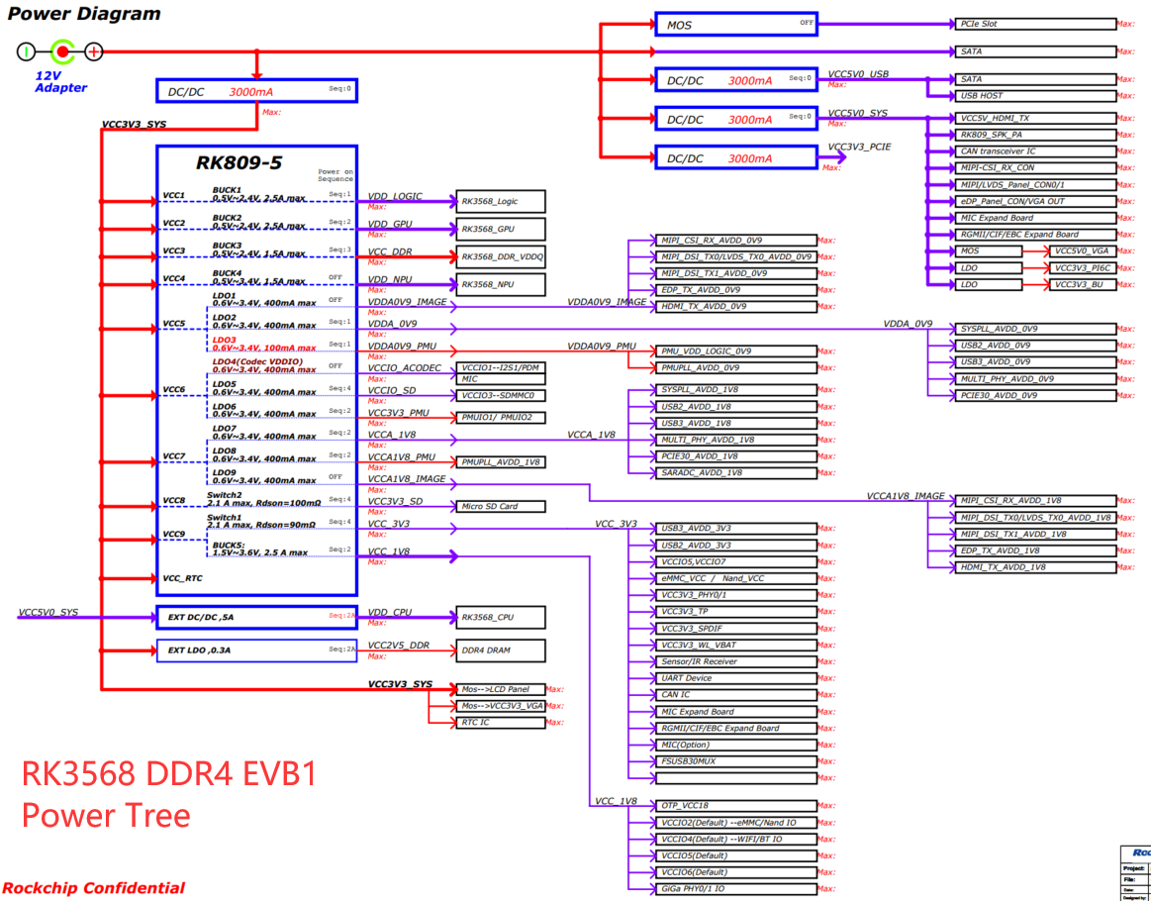
RK3568 Android Scenario Power Consumption | Mainboard | RK_EVB1_RK3568_DDR4P216SD6_V10 | The Power Consumption Data of RK3568 DDR4 EVB1 Board in Different Application Scenarios Note: The following data is the test data on the internal R&D board, which is for design reference only and does not represent the final capability of the chip. Power consumption is strongly related to the actual application scenarios of the product. If you need in-depth optimization, you can discuss further with technical support personnel. Some power supplies in the test data are combined with peripherals for power supply, it is not easy to split, so only estimates are made. This board is a development board, not a product form. There are many peripherals and the power supply is complicated. Therefore, some power supplies cannot be completely turned off. The product form can be further optimized. For extreme power consumption, please refer to the RK3566 tablet prototype, such as two-pole standby and other scenarios.
 | Environment | Room temperature 20℃
 | Heat dissipation | bare board,no heat sink
 | Test method | Record 15 minutes in different scenarios
Scenario | Test Conditions |  | SOC power consumption （W） | VDD_CPU |  |  | VDD_LOGIC |  |  | VDD_GPU |  |  | VDD_NPU |  |  | VCC_DDR （Estimate the controller power consumption） |  |  | VDDA0V9_PMU |  |  | VCCA1V8_PMU |  |  | VCC3V3_PMU |  |  | VCC_1V8 （预估控制器功耗） |  |  | VCC_3V3 （预估控制器功耗） |  |  | VDDA_0V9 |  |  | VCCA_1V8 |  |  | VDDA0V9_IMAGE |  |  | VCCA1V8_IMAGE
 |  |  |  | Voltage (V) | Average Current (mA) | peak current （mA） | Voltage (V) | Average Current (mA) | peak current （mA） | Voltage (V) | Average Current (mA) | peak current （mA） | Voltage (V) | Average Current (mA) | peak current （mA） | Voltage (V) | Average Current (mA) | peak current （mA） | Voltage (V) | Average Current (mA) | peak current （mA） | Voltage (V) | Average Current (mA) | peak current （mA） | Voltage (V) | Average Current (mA) | peak current （mA） | Voltage (V) | Average Current (mA) | peak current （mA） | Voltage (V) | Average Current (mA) | peak current （mA） | Voltage (V) | Average Current (mA) | peak current （mA） | Voltage (V) | Average Current (mA) | peak current （mA） | Voltage (V) | Average Current (mA) | peak current （mA） | Voltage (V) | Average Current (mA) | peak current （mA）
Scenario1 | Static Desktop |  | 0.75 | 0.85 | 51.60 | 863.50 | 0.91 | 310.90 | 674.20 | 1.00 | 25.10 | 989.10 | 1.01 | 34.10 | 36.00 | 1.22 | 21.75 | 174.25 | 0.90 | 5.10 | 5.60 | 1.80 | 8.20 | 8.50 | 3.29 | 13.00 | 14.90 | 1.80 | 6.40 | 88.40 | 3.41 | 30.58 | 221.40 | 0.90 | 86.60 | 88.60 | 1.81 | 31.70 | 32.70 | 0.90 | 20.00 | 21.70 | 1.80 | 4.20 | 4.50
Scenario2 | 1080p Local Video |  | 1.03 | 0.85 | 110.50 | 988.60 | 0.91 | 438.60 | 1062.10 | 1.00 | 92.20 | 978.50 | 1.00 | 36.90 | 39.10 | 1.22 | 51.55 | 270.55 | 0.90 | 5.20 | 5.70 | 1.80 | 8.30 | 8.60 | 3.29 | 13.10 | 14.90 | 1.80 | 12.00 | 156.00 | 3.41 | 30.76 | 211.40 | 0.90 | 87.60 | 89.70 | 1.81 | 32.10 | 33.10 | 0.90 | 14.60 | 22.00 | 1.80 | 4.20 | 4.50
Scenario3 | 4k Local Video |  | 1.37 | 0.90 | 169.40 | 1185.80 | 0.91 | 631.90 | 1009.00 | 1.00 | 124.70 | 808.20 | 1.00 | 36.60 | 39.60 | 1.22 | 110.25 | 284.95 | 0.90 | 5.20 | 5.80 | 1.80 | 8.30 | 8.60 | 3.29 | 13.10 | 14.90 | 1.80 | 12.50 | 156.00 | 3.41 | 30.76 | 235.70 | 0.90 | 87.40 | 89.80 | 1.81 | 32.10 | 33.20 | 0.90 | 14.70 | 22.30 | 1.80 | 4.20 | 4.50
Scenario4 | Fishing Joy |  | 2.00 | 1.15 | 418.90 | 1160.40 | 0.91 | 595.80 | 755.80 | 1.00 | 446.70 | 852.80 | 1.00 | 37.90 | 40.30 | 1.22 | 123.20 | 264.80 | 0.90 | 5.30 | 5.50 | 1.80 | 8.40 | 8.60 | 3.29 | 13.10 | 13.40 | 1.80 | 6.40 | 80.40 | 3.41 | 30.60 | 176.40 | 0.90 | 87.90 | 90.40 | 1.81 | 32.30 | 33.00 | 0.90 | 20.90 | 22.90 | 1.80 | 4.20 | 4.50
Scenario5 | Iqiyi plays videos online |  | 1.93 | 1.14 | 507.90 | 1276.30 | 0.91 | 560.40 | 989.30 | 1.00 | 313.40 | 968.10 | 1.00 | 41.50 | 44.60 | 1.22 | 94.90 | 275.80 | 0.90 | 5.40 | 5.60 | 1.80 | 8.50 | 8.80 | 3.29 | 13.10 | 13.40 | 1.80 | 11.70 | 131.50 | 3.38 | 36.61 | 695.10 | 0.90 | 89.30 | 91.80 | 1.81 | 32.40 | 33.10 | 0.90 | 18.90 | 21.20 | 1.80 | 4.20 | 4.50
Scenario6 | Benchmark Antutu8.4.6 (CPU:Max 2G/GPU:800M/DDR:1560MHZ) |  | 2.00 | 1.16 | 644.70 | 2251.10 | 0.91 | 556.70 | 804.30 | 1.00 | 239.70 | 1112.30 | 1.01 | 37.60 | 45.90 | 1.22 | 118.55 | 301.95 | 0.90 | 5.20 | 5.70 | 1.80 | 6.20 | 6.50 | 3.29 | 13.10 | 15.20 | 1.80 | 10.20 | 157.20 | 3.40 | 31.26 | 257.60 | 0.90 | 71.40 | 75.60 | 1.81 | 24.90 | 26.80 | 0.90 | 18.90 | 23.60 | 1.80 | 4.30 | 4.80

Chip Thermal Characteristics
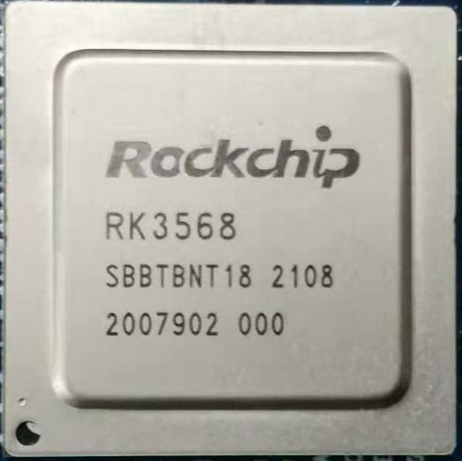
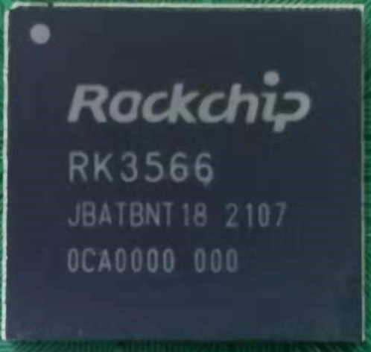
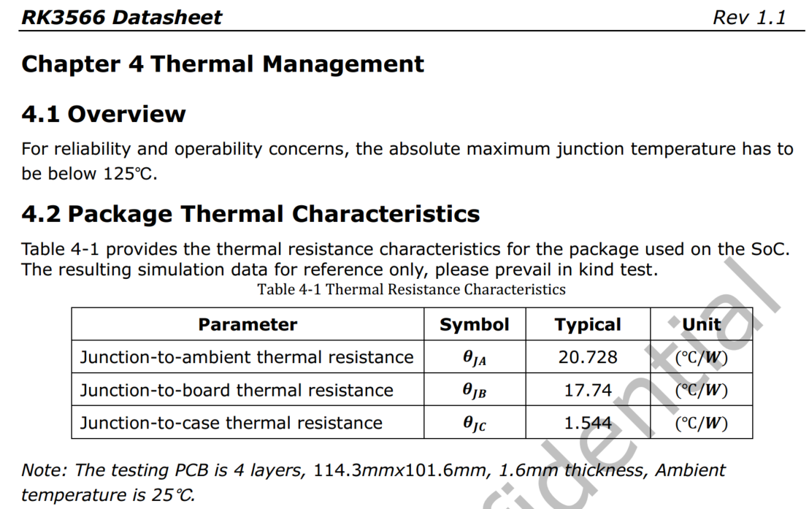
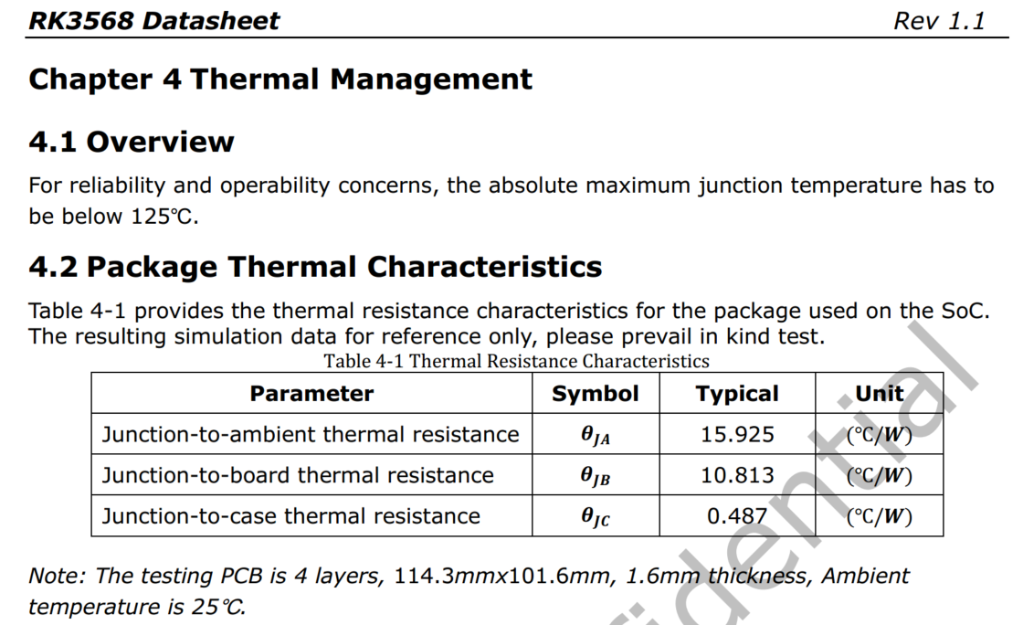
Heat Dissipation Design Suggestions
1. RK3566 is FCCSP 15.5*14.4 package, RK3568 is FCBGA 19*19 package, and it comes with a heat sink, so RK3568 has lower overall thermal resistance and better heat dissipation.
2. The heat dissipation design is generally considered based on the average power consumption, and does not consider the peak power in a very short time (ms level)
3. The thermal design power (TPD) of the RK356X chip limitation is considered as 6W (special scenes need to be constructed, without considering the bandwidth conflicts during actual calls).It is recommended that if the structural space and cost are appropriate, sufficient heat dissipation design can be carried out in 6W TPD.
4. For limited products, heat dissipation design can be considered according to the actual application environment and scenarios. For example, NVR products with back-end AI processing are considered as >=4W, and ordinary tablets are considered as >=3W. The specific situation depends on the customer's choice.
5. The standard SDK software has a thermal management strategy. When the temperature is too high, the frequency and voltage will be reduced to ensure that the junction temperature of the chip does not exceed the tolerance limit. So if the heat dissipation is too poor, it will affect the product performance.

